Sheet1
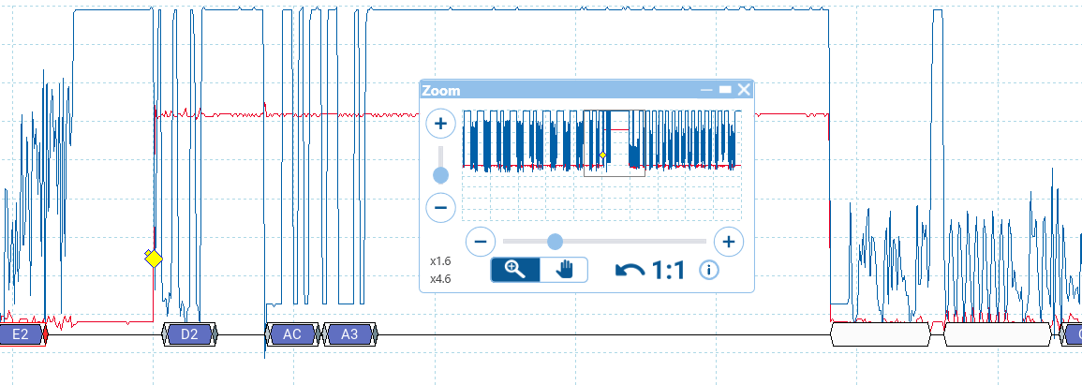

LM319. This trace is with no significant load (<50mA) on the railroad track. Look at all the noise in the low part of the DCC signal.
The red trace is the railcom cutout period of 470uS, this is where the controller shorts the rails together to allow the decoder to assert a current loop signal which the detector (R1)
will pick up. The payload is 0xACA3 and is correct in this trace. | The serial data is transmitted at 250kbps.

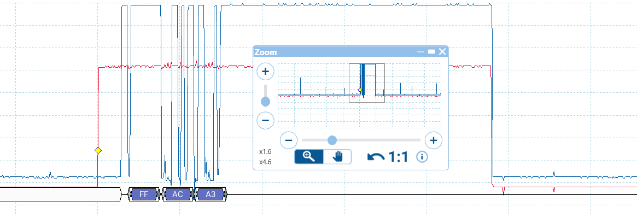

LM319 trace, this time with a load on the track exceeding 100mA. The comparator outputs stay mostly low, except for a few spikes. They go high during the railcom cutout and the locomotive
decoder asserts its data, again this is a valid payload of 0xACA3. Note that there's some ringing on the serial data. Scope is attached to the OPTO output NAND gate. 6N137 device.

And now with the LM393. This ws built onto a DIL8 header and literally plugs into the same socket the LM319 was using. i.e. the same PCB and components for both.
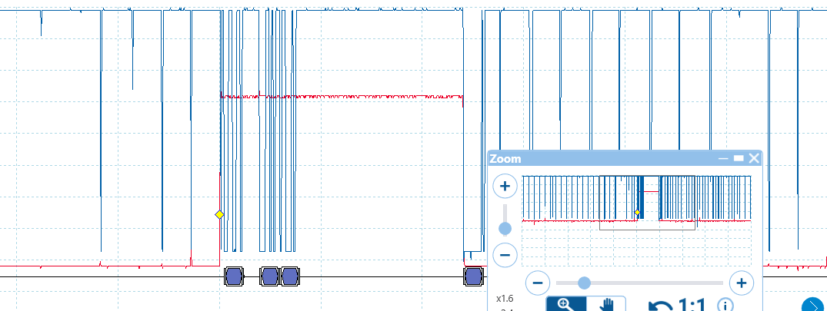

With no track load, the comparator outputs stay mostly high except for spikes on the DCC transitions. The payload is recovered correctly. There is no oscillation present.

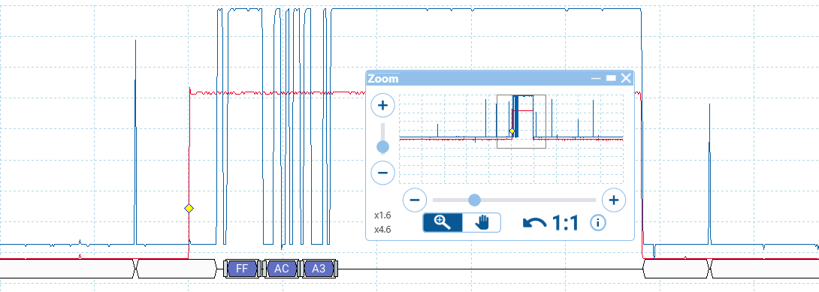

With a track load present, the comparator outputs are mostly low, going high for the railcom cutout.
Here we see the payload is received and there is no rining on the low part of the optocoupler output.

I.e. even though the LM393 has a slower response time and slower edge response than the LM319 it actually appears to perform better in this application.

